Sheet3
Application No: SNBAF0001

 | TRUE | TRUE
1
2
3
5Application No: SNBAF0001Application No: SNBAF0001
6
 |  |  | Fee Payment 100
 | Basic Details | Select & Compare Plan | Adjust will first installment | Document under |  | Down Payment |  | Pick your Car
 |  |  |  | Verification

 | Applicant Details | Applicant Name: | Aditya Goyal | DOB: | 22-Nov-90 | Nationality: | India
 |  | Gender: | Male | Occupation: | Manager | Income: | SAR 10,000
 |  | Mobile Number: | 05XXXXX159 | City: | Jeddah | SIMAH Score | 9.8

 | Financing Details | Asset Type: | CAR | Lease Type | New Car | Agency: | Petromin
 |  | Make: | HYUNDAI | Model: | TUSCON | Model Year: | 2025
 |  | Finance Amount: | 100,000 SAR | Downpayment | 10,000 SAR | Total Car Value: | 110,000 SAR

 | Selected Plan Details |  | Finance Amount | Tenure | APR | Monthly Installment | Residual Value
 |  |  | 100,000 SAR | 5 Years | 4.65% | 1442 SAR | 40,000 SAR

 |  | Features | Lease Transfer |  |  | Comprehensive Insurance
 |  |  | Partial Early Payment |  |  | Balloon Refinance
 |  |  | Pre-Closure at no extra cost |  |  | No Admin Fee

 | Document | Document Name | Upload date/time | Upload Status | Upload Remarks | Upload | View
 |  | Salary Slip
 |  | Gosi Certificate

 | Bank Remarks

 | Streamline Communication with Bank and Customer until customer gets car

 | Paper sign | Bank | Devel
 |  | Customer

 | Purchase order creation (Car dealer for Bank)
 | Bank Authorization letter

Sheet4
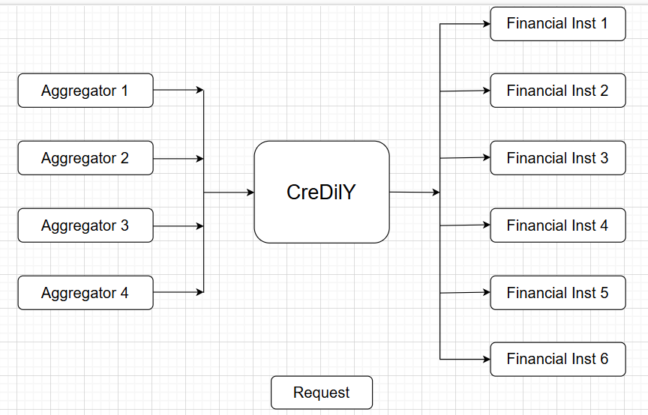
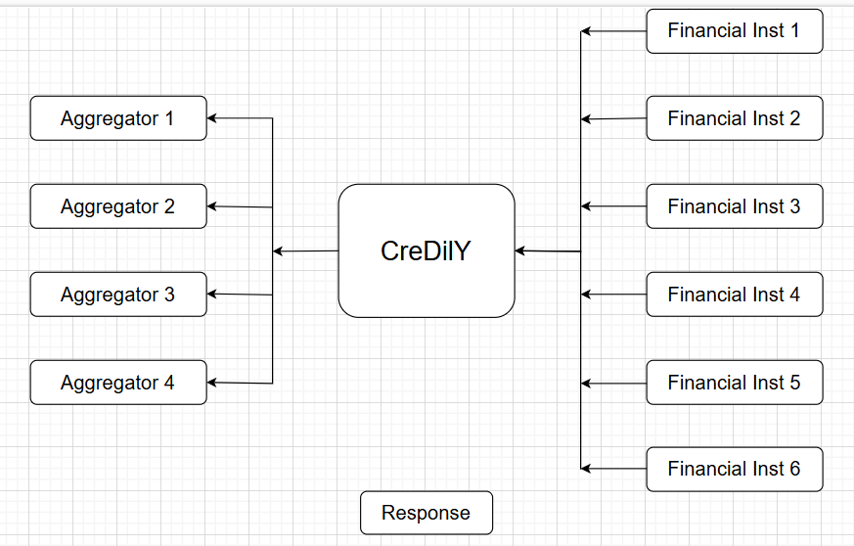

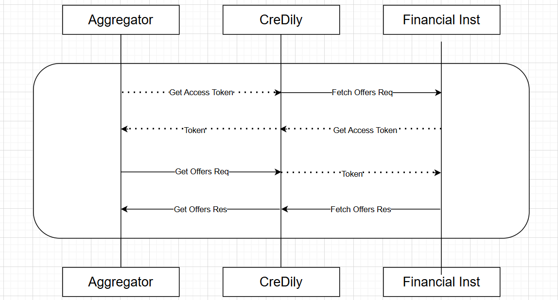
• Each Agg & financial inst will receive a dedicated “Client ID” and “Client Secret” to be used
for authentication.
• When an app starts communication, it must provide “Client ID” and “Client Secret” ask
identity server to provide an access token.
• All further requests from the app should include the access token within the request
headers.
• The access token will be valid for a defined period. After this period is passed, the token
expires and needs to be refreshed from the identity server.
• Credily will provide the following information to Agg & Financial Institutions
o Client ID.
o Client Secret

